Navigation
SmartPLS report
Please cite the use of SmartPLS: Ringle, C. M., Wende, S., and Becker, J.-M. 2022. "SmartPLS 4." Oststeinbek: SmartPLS GmbH, http://www.smartpls.com.
 | complete
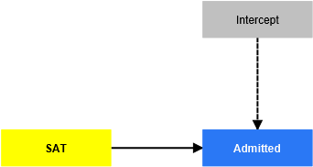
Final results
Coefficients
Predictions and probabilities

Model fit
Fit summary

Algorithm
Setting
Estimation summary
Execution log

Model and data
Data
Descriptives

